Comparison
30+ Delinquencies | Cumulative Net Loss

 | OCTL 2021-1 | OCTL 2021-2 | OCTL 2022-1 | OCTL 2022-2 | OCTL 2023-1 | OCTL 2023-2 | OCTL 2023-3 | OCTL 2024-1 | OCTL 2024-2 | OCTL 2024-3
 | 0.28% | 0.49% | 0.46% | 0.39% | 0.55% | 0.18% | 0.24% | 0.33% | 0.19% | 0.62%
 | 0.40% | 0.90% | 0.76% | 0.77% | 0.93% | 0.66% | 0.68% | 0.66% | 0.54% | 1.11%
 | 0.66% | 1.12% | 1.27% | 1.43% | 1.23% | 1.09% | 1.09% | 0.86% | 0.78% | 1.36%
 | 0.82% | 1.35% | 1.37% | 1.75% | 1.47% | 1.36% | 1.54% | 1.16% | 1.08% | 1.31%
 | 1.17% | 1.19% | 1.67% | 2.06% | 1.35% | 1.51% | 1.65% | 1.31% | 1.09% | 1.02%
 | 1.15% | 1.30% | 2.01% | 2.18% | 1.74% | 1.68% | 1.46% | 1.38% | 1.32% | 0.98%
 | 1.23% | 1.42% | 2.31% | 2.30% | 1.79% | 1.87% | 1.32% | 1.62% | 1.42%
 | 1.23% | 1.74% | 2.41% | 2.15% | 2.04% | 2.41% | 1.41% | 1.36% | 1.35%
 | 1.37% | 1.98% | 2.40% | 2.02% | 2.20% | 2.24% | 1.49% | 1.48% | 1.33%
 | 1.41% | 2.18% | 2.38% | 2.21% | 2.41% | 2.00% | 1.90% | 1.70% | 1.22%
 | 1.30% | 2.22% | 2.22% | 2.33% | 2.69% | 1.64% | 2.33% | 1.78% | 1.30%
 | 1.31% | 2.56% | 2.20% | 2.53% | 2.52% | 1.58% | 2.38% | 1.51%
 | 1.69% | 2.83% | 2.45% | 2.63% | 2.25% | 1.99% | 2.48% | 1.50%
 | 1.90% | 3.07% | 2.74% | 2.83% | 2.03% | 2.33% | 2.35% | 1.63%
 | 2.05% | 3.01% | 2.99% | 2.76% | 2.10% | 2.81% | 2.50%
 | 2.20% | 2.99% | 2.93% | 3.16% | 2.43% | 2.78% | 2.84%
 | 2.35% | 2.71% | 3.11% | 3.72% | 2.84% | 3.02% | 2.60%
 | 2.60% | 2.64% | 3.04% | 3.42% | 2.94% | 3.16% | 2.66%
 | 3.09% | 2.90% | 3.33% | 3.06% | 3.03% | 3.07% | 2.40%
 | 3.28% | 2.97% | 3.81% | 2.60% | 3.17% | 3.48% | 2.18%
 | 3.19% | 3.49% | 3.43% | 2.49% | 3.24% | 3.47%
 | 3.15% | 3.51% | 3.13% | 2.90% | 3.36% | 3.20%
 | 3.08% | 3.32% | 2.61% | 3.25% | 3.68% | 2.77%
 | 3.18% | 3.25% | 2.70% | 3.82% | 3.32% | 2.77%
 | 3.33% | 3.78% | 3.12% | 3.58% | 3.26%
 | 3.21% | 4.30% | 3.55% | 3.94% | 2.90%
 | 3.26% | 4.04% | 4.21% | 4.10% | 2.78%
 | 3.40% | 3.47% | 3.54% | 4.26%
 | 3.32% | 3.07% | 3.99% | 4.78%
 | 3.45% | 3.17% | 3.68% | 4.16%
 | 4.01% | 3.39% | 3.92% | 3.82%
 | 4.15% | 3.53% | 4.56% | 3.27%
 | 3.87% | 4.23% | 4.09% | 3.28%
 | 3.71% | 4.02% | 3.88%
 | 2.95% | 4.55% | 3.46%
 | 3.51% | 3.99% | 3.55%
 | 3.68% | 4.47%
 | 4.11% | 5.22%
 | 3.96% | 5.02%
 | 4.28% | 4.61%
 | 4.68% | 3.93%
 | 4.35% | 4.23%
 | 4.62%
 | 5.50%
 | 4.42%
 | 4.33%
 | 4.26%
 | 4.62%
 | OCTL 2021-1 | OCTL 2021-2 | OCTL 2022-1 | OCTL 2022-2 | OCTL 2023-1 | OCTL 2023-2 | OCTL 2023-3 | OCTL 2024-1 | OCTL 2024-2 | OCTL 2024-3
 | 0.02% | 0.04% | 0.05% | 0.09% | 0.02% | 0.01% | 0.01% | 0.07% | 0.00% | 0.01%
 | 0.09% | 0.09% | 0.13% | 0.14% | 0.11% | 0.07% | 0.06% | 0.10% | 0.06% | 0.05%
 | 0.13% | 0.19% | 0.18% | 0.19% | 0.15% | 0.13% | 0.11% | 0.18% | 0.09% | 0.11%
 | 0.24% | 0.34% | 0.46% | 0.39% | 0.32% | 0.25% | 0.22% | 0.33% | 0.27% | 0.39%
 | 0.38% | 0.52% | 0.64% | 0.68% | 0.57% | 0.54% | 0.50% | 0.57% | 0.48% | 0.58%
 | 0.56% | 0.64% | 0.93% | 1.01% | 0.81% | 0.84% | 0.78% | 0.80% | 0.63% | 0.74%
 | 0.77% | 0.79% | 1.13% | 1.23% | 1.05% | 1.11% | 1.00% | 0.99% | 0.81%
 | 0.99% | 0.93% | 1.45% | 1.51% | 1.24% | 1.39% | 1.12% | 1.27% | 1.08%
 | 1.11% | 1.06% | 1.76% | 1.69% | 1.47% | 1.76% | 1.32% | 1.46% | 1.23%
 | 1.20% | 1.23% | 1.94% | 1.91% | 1.85% | 2.05% | 1.50% | 1.66% | 1.42%
 | 1.27% | 1.48% | 2.21% | 2.19% | 2.10% | 2.37% | 1.69% | 1.82% | 1.54%
 | 1.30% | 1.68% | 2.36% | 2.40% | 2.49% | 2.51% | 1.95% | 1.97%
 | 1.40% | 1.89% | 2.50% | 2.58% | 2.75% | 2.64% | 2.22% | 2.13%
 | 1.50% | 2.14% | 2.62% | 2.84% | 2.97% | 2.72% | 2.59% | 2.27%
 | 1.68% | 2.37% | 2.83% | 3.06% | 3.11% | 2.92% | 2.81%
 | 1.82% | 2.55% | 3.08% | 3.35% | 3.28% | 3.22% | 3.07%
 | 1.96% | 2.81% | 3.36% | 3.62% | 3.39% | 3.45% | 3.31%
 | 2.11% | 2.94% | 3.62% | 3.88% | 3.60% | 3.76% | 3.51%
 | 2.22% | 3.03% | 3.84% | 4.10% | 3.83% | 3.99% | 3.73%
 | 2.34% | 3.16% | 4.11% | 4.34% | 4.04% | 4.36% | 3.86%
 | 2.54% | 3.30% | 4.32% | 4.45% | 4.25% | 4.70%
 | 2.73% | 3.46% | 4.51% | 4.53% | 4.53% | 4.93%
 | 2.81% | 3.59% | 4.70% | 4.63% | 4.73% | 5.15%
 | 2.88% | 3.76% | 4.80% | 4.83% | 4.98% | 5.27%
 | 3.00% | 3.95% | 4.86% | 5.02% | 5.15%
 | 3.11% | 4.14% | 4.94% | 5.21% | 5.33%
 | 3.18% | 4.34% | 5.10% | 5.45% | 5.47%
 | 3.30% | 4.50% | 5.33% | 5.65%
 | 3.39% | 4.63% | 5.46% | 5.88%
 | 3.43% | 4.71% | 5.64% | 6.11%
 | 3.61% | 4.79% | 5.76% | 6.33%
 | 3.71% | 4.84% | 5.92% | 6.45%
 | 3.81% | 4.93% | 6.08% | 6.52%
 | 3.89% | 5.03% | 6.20%
 | 3.95% | 5.13% | 6.32%
 | 3.96% | 5.26% | 6.39%
 | 3.99% | 5.34%
 | 4.05% | 5.42%
 | 4.14% | 5.54%
 | 4.17% | 5.65%
 | 4.21% | 5.74%
 | 4.25% | 5.79%
 | 4.33%
 | 4.40%
 | 4.45%
 | 4.50%
 | 4.55%
 | 4.57%

Extensions

 | OCTL 2021-1 | OCTL 2021-2 | OCTL 2022-1 | OCTL 2022-2 | OCTL 2023-1 | OCTL 2023-2 | OCTL 2023-3 | OCTL 2024-1 | OCTL 2024-2 | OCTL 2024-3
 | 0.00% | 0.01% | 0.01% | 0.01% | 0.03% | 0.00% | 0.02% | 0.00% | 0.00% | 0.04%
 | 0.01% | 0.03% | 0.02% | 0.00% | 0.03% | 0.00% | 0.02% | 0.00% | 0.00% | 0.06%
 | 0.01% | 0.05% | 0.02% | 0.07% | 0.13% | 0.02% | 0.04% | 0.03% | 0.01% | 0.15%
 | 0.05% | 0.01% | 0.03% | 0.07% | 0.23% | 0.08% | 0.08% | 0.12% | 0.04% | 0.23%
 | 0.11% | 0.07% | 0.05% | 0.15% | 0.40% | 0.23% | 0.24% | 0.14% | 0.15% | 0.29%
 | 0.08% | 0.02% | 0.14% | 0.34% | 0.30% | 0.33% | 0.21% | 0.43% | 0.31% | 0.44%
 | 0.08% | 0.03% | 0.13% | 0.24% | 0.42% | 0.40% | 0.27% | 0.64% | 0.73%
 | 0.11% | 0.08% | 0.41% | 0.25% | 0.55% | 0.56% | 0.35% | 0.69% | 0.72%
 | 0.15% | 0.08% | 0.28% | 0.26% | 0.54% | 0.72% | 0.49% | 0.50% | 0.56%
 | 0.02% | 0.09% | 0.27% | 0.30% | 0.51% | 0.36% | 0.33% | 0.59% | 0.40%
 | 0.09% | 0.03% | 0.41% | 0.44% | 0.65% | 0.40% | 0.45% | 0.63% | 0.38%
 | 0.01% | 0.22% | 0.29% | 0.47% | 0.62% | 0.30% | 0.69% | 0.70%
 | 0.10% | 0.13% | 0.40% | 0.50% | 0.49% | 0.43% | 0.75% | 0.48%
 | 0.08% | 0.48% | 0.50% | 0.46% | 0.29% | 0.30% | 0.87% | 0.36%
 | 0.01% | 0.28% | 0.31% | 0.57% | 0.39% | 0.64% | 0.65%
 | 0.11% | 0.23% | 0.49% | 0.51% | 0.40% | 0.61% | 0.86%
 | 0.06% | 0.32% | 0.30% | 0.57% | 0.46% | 0.87% | 0.80%
 | 0.14% | 0.26% | 0.54% | 0.63% | 0.56% | 1.11% | 0.62%
 | 0.21% | 0.35% | 0.65% | 0.53% | 0.77% | 0.91% | 0.55%
 | 0.51% | 0.40% | 0.62% | 0.41% | 0.75% | 0.96% | 0.60%
 | 0.19% | 0.36% | 0.59% | 0.49% | 0.82% | 0.99%
 | 0.32% | 0.61% | 0.43% | 0.31% | 0.73% | 0.65%
 | 0.25% | 0.43% | 0.43% | 0.40% | 1.21% | 0.78%
 | 0.31% | 0.57% | 0.47% | 0.61% | 1.00% | 0.64%
 | 0.36% | 0.54% | 0.44% | 0.82% | 0.74%
 | 0.40% | 0.54% | 0.38% | 0.73% | 0.84%
 | 0.45% | 0.51% | 0.58% | 1.00% | 0.72%
 | 0.36% | 0.33% | 0.66% | 0.83%
 | 0.46% | 0.36% | 0.95% | 1.37%
 | 0.40% | 0.45% | 1.16% | 0.94%
 | 0.46% | 0.36% | 0.70% | 0.87%
 | 0.49% | 0.25% | 1.14% | 0.65%
 | 0.49% | 0.66% | 1.04% | 0.61%
 | 0.36% | 0.80% | 0.63%
 | 0.35% | 0.82% | 0.71%
 | 0.37% | 1.12% | 0.71%
 | 0.60% | 0.68%
 | 0.47% | 1.02%
 | 0.65% | 1.02%
 | 0.57% | 0.67%
 | 0.93% | 0.67%
 | 0.90% | 0.72%
 | 0.78%
 | 1.07%
 | 1.04%
 | 0.43%
 | 0.56%
 | 0.72%

OCTL 2021-1
Deal Notes
Octane Receivables Trust 2021-1 ("OCTL 2021-1"):
- Target overcollateralizaton: The overcollateralization ("O/C") target is 4.00% of the initial pool balance.
- Required Reserve: The reserve account required amount is 1.00% of the initial pool balance. This is a non-declining reserve account which will continue to make up a greater percentage of the pool balance as the pool amortizes.
Commentary:
- Based upon performance to date, KBRA projects losses to be 5.00%, the same as the level projected during the prior review (October 2024).
- The O/C target was met in the November 2021 collection period and has remained at the target since. O/C is 34.19% of the current pool balance.
- The current reserve amount is 8.55% of the current pool balance, and 1.00% of the initial pool balance.

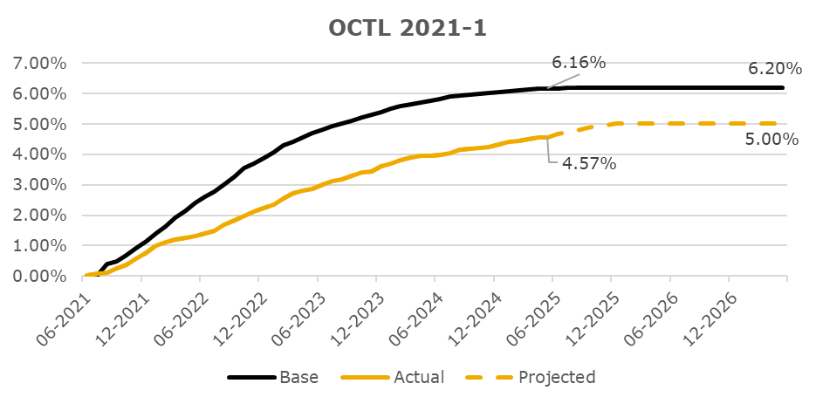
CNL Analysis
PASTE GRAPH AS AN IMAGE HERE, MAKE SURE IT'S 3 IN TALL AND 6 IN WIDE

Rating Sensitivity Analysis
Rating Sensitivity Analysis

The ratings on OCTL 2021-1 will continue to be monitored through the life of the transaction. If performance of the transaction, including losses, differs meaningfully from the expected levels, KBRA may consider making a rating change. The remaining investment grade classes have ample credit support and are well insulated from negative rating migration even with a significant increase in CNL. It should be noted that many factors, including economic stress, market conditions and servicing operations can impact the performance of the loan pool and influence rating decisions, both positively and negatively. Furthermore, KBRA considers the current credit enhancement available to the transaction as well as KBRA’s assumptions regarding the timing of losses.

OCTL 2021-2
Deal Notes
Octane Receivables Trust 2021-2 ("OCTL 2021-2"):
- Target overcollateralizaton: The overcollateralization ("O/C") target is 3.00% of the initial pool balance.
- Required Reserve: The reserve account required amount is 1.00% of the initial pool balance. This is a non-declining reserve account which will continue to make up a greater percentage of the pool balance as the pool amortizes.
Commentary:
- Based upon performance to date, KBRA projects losses to be 6.25%, an increase from the level projected during the prior review (October 2024).
- The O/C target was met in the April 2022 collection period and has remained at the target since. O/C is 16.64% of the current pool balance.
- The current reserve amount is 5.55% of the current pool balance, and 1.00% of the initial pool balance.

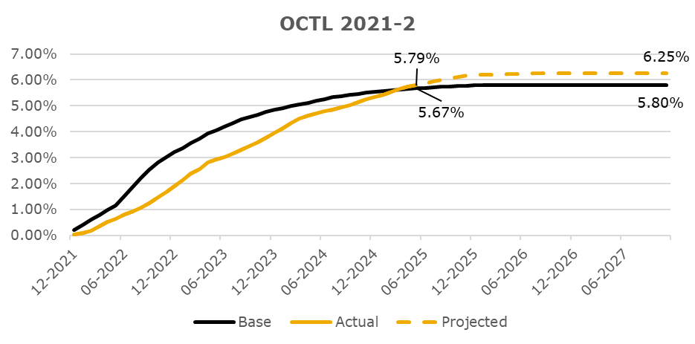
CNL Analysis
PASTE GRAPH AS AN IMAGE HERE, MAKE SURE IT'S 3 IN TALL AND 6 IN WIDE

Rating Sensitivity Analysis
Rating Sensitivity Analysis

The ratings on OCTL 2021-2 will continue to be monitored through the life of the transaction. If performance of the transaction, including losses, differs meaningfully from the expected levels, KBRA may consider making a rating change. The remaining investment grade classes have ample credit support and are well insulated from negative rating migration even with a significant increase in CNL. It should be noted that many factors, including economic stress, market conditions and servicing operations can impact the performance of the loan pool and influence rating decisions, both positively and negatively. Furthermore, KBRA considers the current credit enhancement available to the transaction as well as KBRA’s assumptions regarding the timing of losses.

OCTL 2022-1
Deal Notes
Octane Receivables Trust 2022-1 ("OCTL 2022-1"):
- Target overcollateralizaton: The overcollateralization ("O/C") target is 2.75% of the initial pool balance.
- Required Reserve: The reserve account required amount is 1.00% of the initial pool balance. This is a non-declining reserve account which will continue to make up a greater percentage of the pool balance as the pool amortizes.
Commentary:
- Based upon performance to date, KBRA projects losses to be 7.25%, an increase from the level projected during the prior review (October 2024).
- The O/C target was met in the September 2022 collection period and has remained at the target since. O/C is 10.09% of the current pool balance.
- The current reserve amount is 3.72% of the current pool balance, and 1.00% of the initial pool balance.

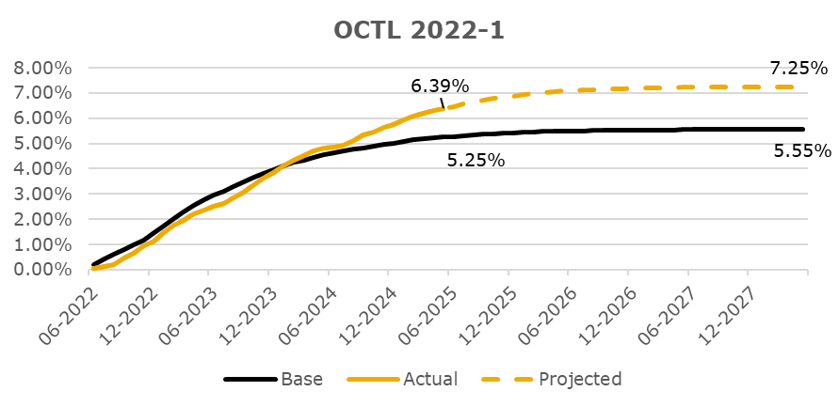
CNL Analysis
PASTE GRAPH AS AN IMAGE HERE, MAKE SURE IT'S 3 IN TALL AND 6 IN WIDE

Rating Sensitivity Analysis

OCTL 2022-2
Deal Notes
Octane Receivables Trust 2022-2 ("OCTL 2022-2"):
- Target overcollateralizaton: The overcollateralization ("O/C") target is 6.40% of the initial pool balance.
- Required Reserve: The reserve account required amount is 1.00% of the initial pool balance. This is a non-declining reserve account which will continue to make up a greater percentage of the pool balance as the pool amortizes.
Commentary:
- Based upon performance to date, KBRA projects losses to be 7.75%, an increase from the level projected during the prior review (October 2024).
- The O/C target was met in the November 2022 collection period and has remained at the target since. O/C is 18.74% of the current pool balance.
- The current reserve amount is 3.06% of the current pool balance, and 1.00% of the initial pool balance.

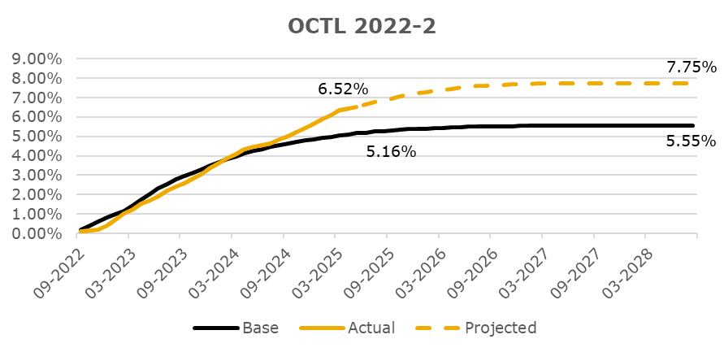
CNL Analysis
PASTE GRAPH AS AN IMAGE HERE, MAKE SURE IT'S 3 IN TALL AND 6 IN WIDE

Rating Sensitivity Analysis

OCTL 2023-1
Deal Notes
Octane Receivables Trust 2023-1 ("OCTL 2023-1"):
- Target overcollateralizaton: The overcollateralization ("O/C") target is 3.50% of the initial pool balance.
- Required Reserve: The reserve account required amount is 1.00% of the initial pool balance. This is a non-declining reserve account which will continue to make up a greater percentage of the pool balance as the pool amortizes.
Commentary:
- Based upon performance to date, KBRA projects losses to be 7.25%, an increase from the level projected during the prior review (October 2024).
- The O/C target was met in the May 2023 collection period and has remained at the target since. O/C is 8.01% of the current pool balance.
- The current reserve amount is 2.38% of the current pool balance, and 1.00% of the initial pool balance.

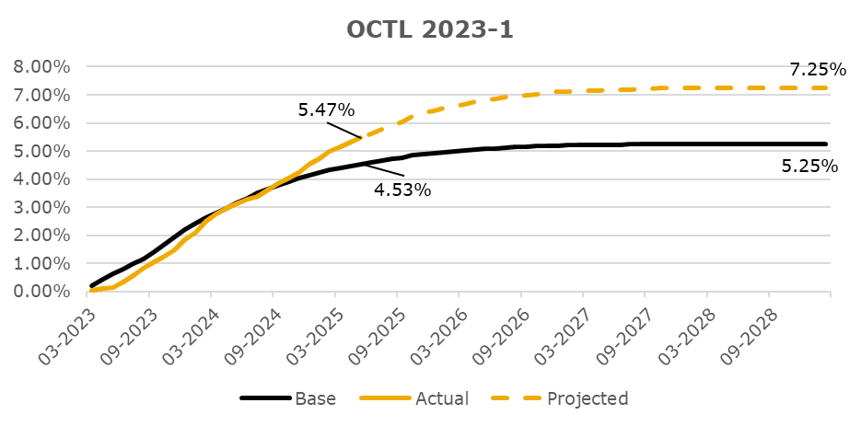
CNL Analysis
PASTE GRAPH AS AN IMAGE HERE, MAKE SURE IT'S 3 IN TALL AND 6 IN WIDE

Rating Sensitivity Analysis
Rating Sensitivity Analysis

OCTL 2023-2
Deal Notes
Octane Receivables Trust 2023-2 ("OCTL 2023-2"):
- Target overcollateralizaton: The overcollateralization ("O/C") target is 3.50% of the initial pool balance.
- Required Reserve: The reserve account required amount is 1.00% of the initial pool balance. This is a non-declining reserve account which will continue to make up a greater percentage of the pool balance as the pool amortizes.
Commentary:
- Based upon performance to date, KBRA projects losses to be 7.00%, an increase from the level projected during the prior review (October 2024).
- The O/C target was met in the November 2023 collection period and has remained at the target since. O/C is 7.22% of the current pool balance.
- The current reserve amount is 2.06% of the current pool balance, and 1.00% of the initial pool balance.

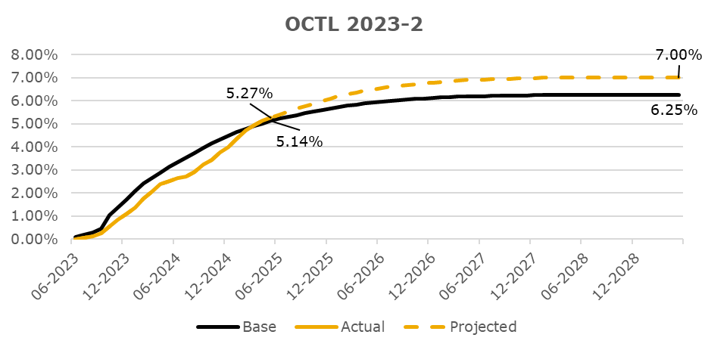
CNL Analysis
PASTE GRAPH AS AN IMAGE HERE, MAKE SURE IT'S 3 IN TALL AND 6 IN WIDE

Rating Sensitivity Analysis
Rating Sensitivity Analysis

OCTL 2023-3
Deal Notes
Octane Receivables Trust 2023-3 ("OCTL 2023-3"):
- Target overcollateralizaton: The overcollateralization ("O/C") target is 3.50% of the initial pool balance.
- Required Reserve: The reserve account required amount is 1.00% of the initial pool balance. This is a non-declining reserve account which will continue to make up a greater percentage of the pool balance as the pool amortizes.
Commentary:
- Based upon performance to date, KBRA projects losses to be 5.35%, the same as the level projected during the prior review (October 2024).
- The O/C target was met in the March 2024 collection period and has remained at the target since. O/C is 6.58% of the current pool balance.
- The current reserve amount is 1.88% of the current pool balance, and 1.00% of the initial pool balance.

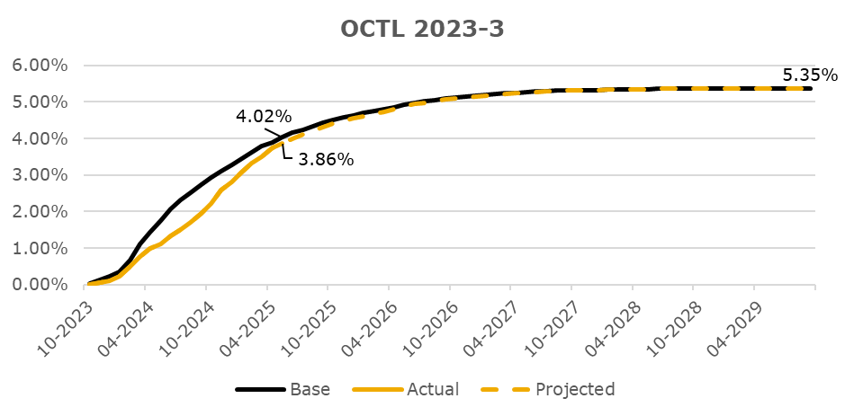
CNL Analysis
PASTE GRAPH AS AN IMAGE HERE, MAKE SURE IT'S 3 IN TALL AND 6 IN WIDE

Rating Sensitivity Analysis
Rating Sensitivity Analysis

OCTL 2024-1
Deal Notes
Octane Receivables Trust 2024-1 ("OCTL 2024-1"):
- Target overcollateralizaton: The overcollateralization ("O/C") target is 2.50% of the initial pool balance.
- Required Reserve: The reserve account required amount is 0.75% of the initial pool balance. This is a non-declining reserve account which will continue to make up a greater percentage of the pool balance as the pool amortizes.
Commentary:
- Based upon performance to date, KBRA projects losses to be 4.30%, the same as the level projected during the prior review (October 2024).
- The O/C target was met in the September 2024 collection period and has remained at the target since. O/C is 3.88% of the current pool balance.
- The current reserve amount is 1.17% of the current pool balance, and 0.75% of the initial pool balance.

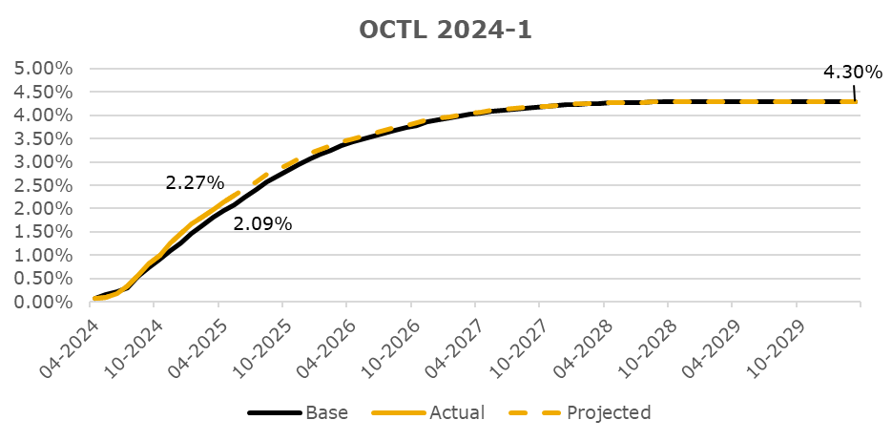
CNL Analysis
PASTE GRAPH AS AN IMAGE HERE, MAKE SURE IT'S 3 IN TALL AND 6 IN WIDE

Rating Sensitivity Analysis
Rating Sensitivity Analysis

OCTL 2024-2
Deal Notes
Octane Receivables Trust 2024-2 ("OCTL 2024-2"):
- Target overcollateralizaton: The overcollateralization ("O/C") target is 8.25% of the current pool balance, subject to a floor of 1.00% of the initial pool balance.
- Required Reserve: The reserve account required amount is 0.75% of the initial pool balance. This is a non-declining reserve account which will continue to make up a greater percentage of the pool balance as the pool amortizes.
Commentary:
- Based upon performance to date, KBRA projects losses to be 4.50%, the same as the level projected at the close of the deal (June 2024).
- O/C is currently at 6.85% of the current pool balance and is continuing to build toward the target.
- The current reserve amount is 1.02% of the current pool balance, and 0.75% of the initial pool balance.

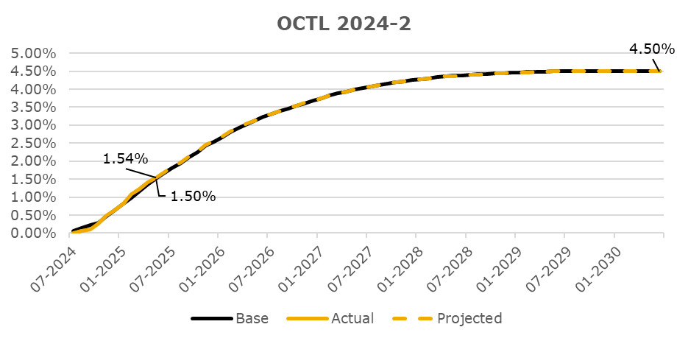
CNL Analysis
PASTE GRAPH AS AN IMAGE HERE, MAKE SURE IT'S 3 IN TALL AND 6 IN WIDE

Rating Sensitivity Analysis
Rating Sensitivity Analysis

OCTL 2024-3
Deal Notes
Octane Receivables Trust 2024-3 ("OCTL 2024-3"):
- Target overcollateralizaton: The overcollateralization ("O/C") target is 12.90% of the current pool balance, subject to a floor of 1.00% of the initial pool balance.
- Required Reserve: The reserve account required amount is 0.50% of the initial pool balance. This is a non-declining reserve account which will continue to make up a greater percentage of the pool balance as the pool amortizes.
Commentary:
- Based upon performance to date, KBRA projects losses to be 3.42%, the same as the level projected at the close of the deal (November 2024).
- O/C is currently at 5.84% of the current pool balance and is continuing to build toward the target.
- The current reserve amount is 0.61% of the current pool balance, and 0.50% of the initial pool balance.

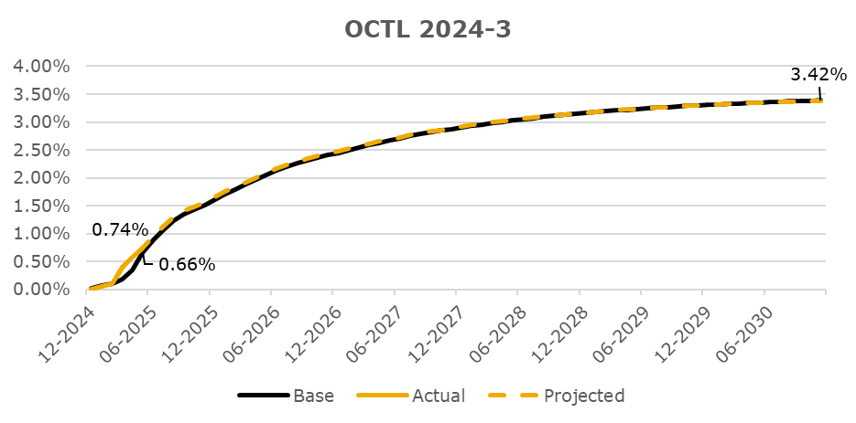
CNL Analysis
PASTE GRAPH AS AN IMAGE HERE, MAKE SURE IT'S 3 IN TALL AND 6 IN WIDE

Rating Sensitivity Analysis
Rating Sensitivity Analysis

